Compliance Report
 | Weekly Asset Care Compliance Report
 | Don’t change Formula's
 | Week Ending | 12-Feb-26
 | Shaft / Area | NCHW II UG

 | Fleet / Equipment | Planned | Actual | Schedule Compliance | Target | Unit late for service (y/n) | Unit book back on time after service(y/n) |  | Week-end Service | Reasons for Non-Compliance
 | DT | 4 | 4 | 100% | 100%
 | FL | 3 | 2 | 67% | 100% |  |  |  |  | Due to loader availability and was rescheduled for next week
 | HD | 2 | 2 | 100% | 100%
 | RT | 4 | 4 | 100% | 100%
 | SR - Service Compliance | 0 | 0 |  | 100%
 | Support Equipment | 5 | 6 | 120% | 100% |  |  |  |  | EXCLUDE UV0053 :STILL OUT FOR LEVEL 9 UPGRADE
 | SR - Weekly Inspection | 8 | 8 | 100% | 100%
Weekly Compliance
 | Planned | Actual | Schedule Compliance | Target
DT | 4 | 4 | 100% | 100%
FL | 3 | 2 | 67% | 100%
HD | 2 | 2 | 100% | 100%
RT | 4 | 4 | 100% | 100%
SR - Service Compliance | 0 | 0 | 0% | 100%
Support Equipment | 5 | 6 | 120% | 100%
SR - Weekly Inspection | 8 | 8 | 100% | 100%

 | Service Pre-Inspection

 | Fleet / Equipment | Planned | Actual | Schedule Compliance | Target | Work order number | Remarks
 | DT | 0 | 0 |  | 95%
 | FL | 1 | 1 | 100% | 95%
 | HD | 4 | 4 | 100% | 95%
 | RT | 2 | 2 | 100% | 95%
 | SR - Service Compliance | 1 | 1 | 100% | 95%
 | Support Equipment | 5 | 5 | 100% | 95%

 | Schedule Compliance | Target
DT | 0 | 0.95
FL | 0 | 0.95
HD | 0 | 0.95
RT | 0 | 0.95
SR - Service Compliance | 0 | 0.95
Support Equipment | 1 | 0.95

 | Condition monitoring / Oil samples
 | Fleet / Equipment | Engine - Plan | Engine- Received | Transmission - Plan | Transmission - Receive | Axle - plan | Axle - Receive | % Compliance | Reasons for Non-Compliance |  |  | Paperwork Correct | Paperwork Incorrect | Urgent Oil Samples | Workorder Generated
 | DT | 4 | 4 |  |  |  |  | 100% |  |  |  |  |  | 0
 | FL | 3 | 2 |  |  |  |  | 67% |  |  |  |  |  | 0
 | HD | 0 |  |  |  |  |  |  |  |  |  |  |  | 0
 | RT | 0 |  |  |  |  |  |  |  |  |  |  |  | 0
 | SR | 0 |  |  |  |  |  |  |  |  |  |  |  | 0
 | Support Equipment | 5 | 6 |  |  |  |  | 120% | EXCLUDE UV0053 :STILL OUT FOR LEVEL 9 UPGRADE |  |  |  |  | 0

Condition monitoring / Oil samples
 | % Compliance
DT | 0
FL | 0
HD | 0
RT | 0
SR | 0
Support Equipment | 1
Oil Sample Paper Work
 | Paperwork Correct | Paperwork Incorrect

 | Remember Readings

 | Oil Filtration
FA0007 - HYDR DRILL W/S | Equipment nr | Oil Type | Start Reading | End Reading | Comments |  | ISO Standard
 | RT0040 | AZOLLA | 20.16.10 | 16.14.10
 | RT0050 | AZOLLA | 21.19.14 | 20.17.9
 | RT0062 | AZOLLA | 22.21.17 | 20.15.11
 | RT0056 | AZOLLA | 13.11.14 | 11.8.7.
 | HD0067 | AZOLLA | 21.19.16 | 18.16.11

FA0001 - TMM W/S | FL0120 | Multigrade | ,10/6/0 | ,17/15/13
 | DT0158 | Multigrade | ,0/6/7 | ,10/16/18
 | DT0170 | Multigrade | ,10/5/0 | ,17/14/14
 | DT0157 | Multigrade | ,11/08/04 | 17/14/14

 | Inspection done by: | Planned Over-Inspections | Total Number of Inspections Completed | Corrective Work | Wo Number | % Completed | Remarks for not comply
 | UTILITY FOREMAN | 5 | 6 |  |  | 120% | EXCLUDE UV0053 :STILL OUT FOR LEVEL 9 UPGRADE
 | MECHANIC FOREMAN | 6 | 5 |  |  | 83% | Loaders availability
 | DRILLS FOREMAN | 5 | 5 |  |  | 100%
 | Engineer | 1 | 0 |  |  | 0% | attended Labour BP
 | Electrical Foreman | 5 | 5 |  |  | 100%
 | Plant Foreman | 4 | 4 |  |  | 100%
 | GES Plant | 1 | 1 |  |  | 100%
 | GES TMM | 1 | 1 |  |  | 100%

Over Inspections
 | Planned Over-Inspections | Total Number of Inspections Completed | Corrective Work
UTILITY FOREMAN | 5 | 6
MECHANIC FOREMAN | 6 | 5
DRILLS FOREMAN | 5 | 5
Engineer | 1 | 0
Electrical Foreman | 5 | 5
Plant Foreman | 4 | 4
GES Plant | 1 | 1
GES TMM | 1 | 1

 | Equipment ID | Date of Inspection | Inspection Performed by | Findings and Defects Completed |  |  | Additional Follow-up Work |  |  | WO No. | Status
 | CS0053 Graben SOH Crusher | 09/02/2026 | Lebogang | None |  |  | None |  |  | 1918866
 | CR0120 3T Electric chain hoist (Tyrebay) | 10/02/2026 | Lebogang | Plinths still damaged, Overhead crane still locked out. |  |  | Fill plinths with concrete. (Concrete already ordered). Do load test on overhead crane. |  |  | 1918345
 | Conveyor safety device inspection | 11/02/2026 | Lebogang | None |  |  | None |  |  | 1917248
 | CR0005 15 Ton crane (2west crusher) | 10/02/2026 | Lebogang | None |  |  | New load test to be done on O/H crane |  |  | 1919458

 | 2W Dam | 2026-12-02 | Shaied | Improve Cable Work |  |  | Chargehand to action |  |  | 1919726
 | 3-6 Dam | 2026-12-02 | Shaied | None |  |  | None |  |  | 1919727
 | 48 Dam | 2026-12-02 | Shaied | Improve Lighting |  |  | Chargehand to action |  |  | 1919732
 | Silo Discharge Conv 1 | 2026-10-02 | Shaied | None |  |  | None |  |  | 1919866
 | Silo Discharge Conv 2 | 2026-10-02 | Shaied | None |  |  | None |  |  | 1919866

 | FL0120-500 Hour s | 06/02/2026 | Karabo | None |  |  |  |  |  | 1912685
 | DT0158-250 Hours | 09/02/2026 | Karabo | None |  |  |  |  |  | 1915843
 | DT0170-1000 Hours | 10/02/2026 | Karabo | None |  |  |  |  |  | 1921741
 | FL0106-1000 Hours | 10/02/2026 | Karabo | Replacing Radiator,turbo and engine oil leakage repair. |  |  | none |  |  | 1896410
 | DT0157-250 Hours | 11/02/2026 | Karabo | None |  |  |  |  |  | 1915842

 | UV0121 250HRS | 09/02/2026 | KG | NONE |  |  | NONE |  |  | 1900845
 | UV0139 250HRS | 10/02/2026 | KG | NONE |  |  | NONE |  |  | 1932480
 | LD0621 | 11/02/2026 | FRANCOIS | NONE |  |  | NONE |  |  | 1921745
 | LD0578 | 11/02/2026 | JAUN | During servicing inspection,we identified noise from the front diff and have commenced repairs. |  |  | We are still busy overhauling the front diff and new parts needed to be replace; CV joints and knuckle bearings C/H to update after work done |  |  | 1893070
 | LD0623 | 12/02/2026 | SHAUN | STILL BUSY WITH |  |  | not complete C/H to update after work done |  |  | 1925314
 | UV0119 250HRS | 09/02/2026 | FRANCOIS | A hydraulic pipe was leaking oil was idetified and is currently being repaired. |  |  | NONE

 | RT0040 | 06/02/2026 | WILL | NONE |  |  | NONE |  |  | 1913202
 | RT0032 | 06/06/2026 | WILL | NONE |  |  | NONE
 | RT0050 | 09/06/2026 | WILL | NONE |  |  | NONE |  |  | 1919338
 | RT0062 | 10/06/2026 | WILL | NONE |  |  | NONE |  |  | 1912803
 | RT0056 | 11/06/2026 | WILL | NONE |  |  | NONE |  |  | 1918248
 | HD0067 | 12/02/2026 | WILL | NONE |  |  | NONE |  |  | 1918744

Oil report
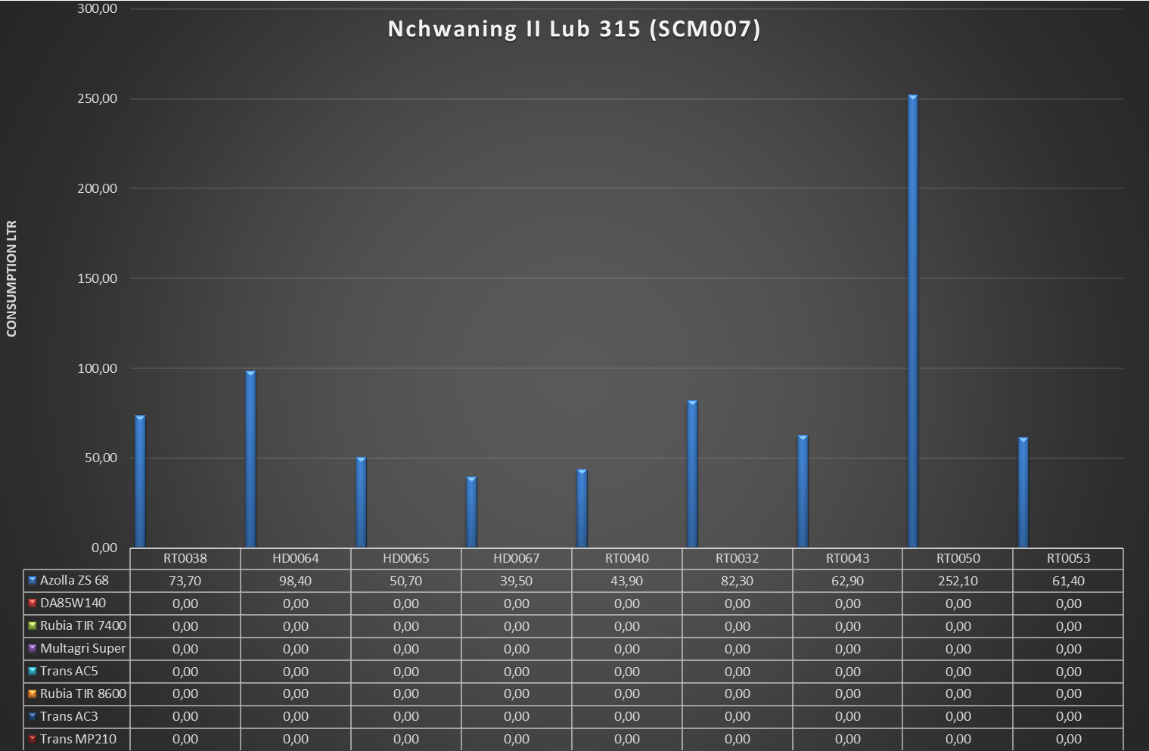
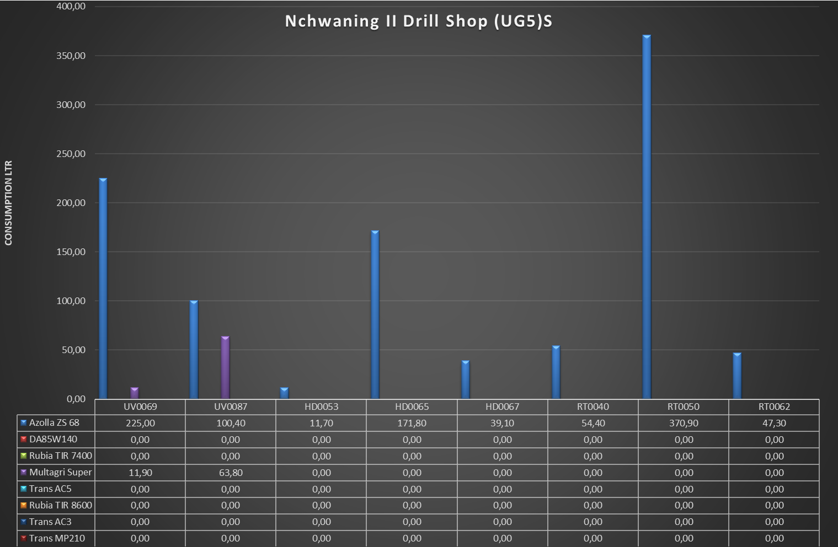
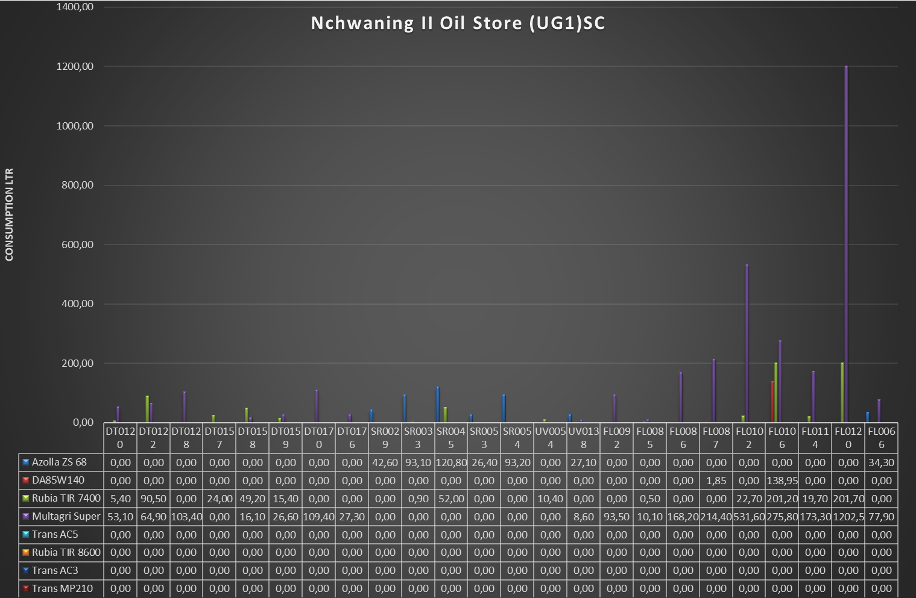
Service Ramp 1(SCM023)
 | Azolla ZS 68 | DA85W140 | Rubia TIR 7400 | Multagri Super | Trans AC5 | Rubia TIR 8600 | Trans AC3 | Trans MP210
DT0118 | 0 | 0 | 49.1 | 0 | 0 | 0 | 0 | 0
DT0119 | 0 | 0 | 181.7 | 0 | 0 | 0 | 0 | 0
DT0154 | 0 | 0 | 144.7 | 0 | 0 | 0 | 0 | 0
DT0160 | 0 | 0 | 57.1 | 0 | 0 | 0 | 0 | 0
FL0121 | 0 | 0 | 5.7 | 0 | 0 | 0 | 0 | 0

